Week 1 - Recap of Concepts
 | Question 1: | Question 2:
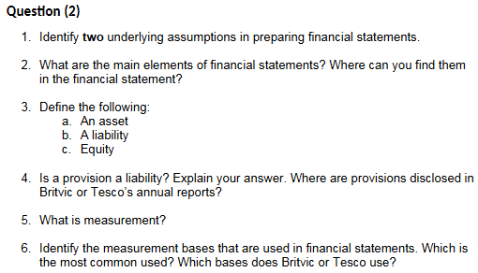
 | All accountants are to follow the same rules and standards | Part 1:
 | when preparing the financial statements of different | - Accruals (Effects of transactions are recognised when they occur
 | companies in a country. Some commentators even argue for | and are recorded and reported according to standards of the period to
 | the adoption of global accounting standards. | which they relate.

 | In the absence of accounting standards, financial statements | - Going concern (The company in question is expected to continue in
 | of different companies may not be able to provide a true, | operation for the forseeabe future, assuming that the entity has no
 | authentic representation of their economic and financial | necessity nor intention of liquidation nor mass selling inventory for
 | situation. | operations).

 | This would therefore cause all forms of credibility in the | Part 2:
 | accounting/auditing profession to be lost. | Assets, liabilities, and equity - Statement of Financial Position
 |  | Income, Expenses - Statement of Profit or Loss
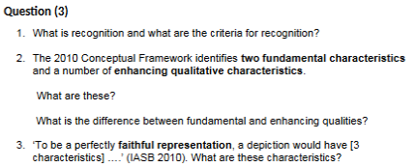
 | The standards have been made to impose discipline and to
 | help avoid earnings manipulation that could lead to | Part 3:
 | controversies and scandals (take Enron for example). | a) Asset - Resources controlled by an entity as a result
 |  | of past events from which future economic benefits are expected to
 | The absence of accounting standards would also cause for | flow to the entity.
 | inaccurate means of directly comparing statements with other
 | companies, therefore meaning that investors are more likely | b) Liability - Present obligations of the entity arising from past events, the
 | to be misled in making their investment decisions. | settlement of which is expected to result in an outflow from the entity of
 |  | resources embodying economic events.

 | Question 3: | c) Equity - The residual interest in the assets of the entity after deducting all
 | Part 1: | its liabilities
 | The process of incorporating in any of the statements an item
 | that meets the definition of an element and satisfies the following | Part 4:
 | criteria for recognition | Yes
 | - Probable that any future economic benefit associated is to | Provisions are present obligations that satisfies the definition of a liability,
 | flow to or from the entity; and | even if the amount of the obligation has to be estimated.
Question 4: | - The item has a cost or value that can be measured reliably
 |  | Part 5:
Part 1: | Part 2: | The process of determining monetary amounts at which the elements of
Creative accounting can be defined as: | Fundamental Characteristics: | financial statements are to be recognised and carried in the statement of
- A form of accounting which, while complying with all regulations, | - Relevance | financial position and statement of comprehensive income.
nevertheless gives a biased impression (generally favourable) | - Faithful Representation
of a company's performance | - Materiality | Part 6:
 |  | - Historical costs
Examples: | Enhancing Qualitative Characteristics: | - Current cost = Replacement Cost
- Premature sales recognition | - Comparability | - Net Realisable Value = Selling Price - Selling Expenses
- Treating loans as sales | - Verifiability | - Present value of future cash flows
- Lengthen depreciation lives | - Timeliness
 | - Understandability
Part 2:
- One of the key incentivees behind creative accounting is to meet | Part 3:
analysts' forecasts or to please stakeholder expectations. | Three characteristics of faithful representation are:
 | - Complete
- Creative accounting is also able to help the company to raise capital | - Neutral
by portraying an improved image of financial performance, raising | - Free from error
confidence in employees and therefore production quality.
 | Part 4:
Using creative accounting techniques, managers have the ability to | Substance over form
report huge losses in a year so that future years appear better,
also referred to as the 'big bath'..

Part 3:
Legal but unethical yada yada you know why

Week 2 - Provisions, Contingncs
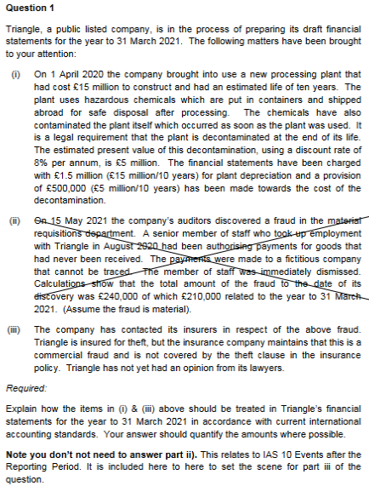
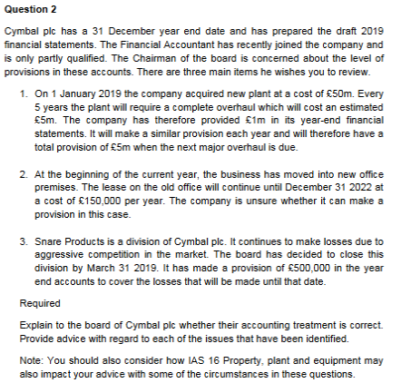
 |  | Question 1: (Part i) |  | Is there a past event?
 |  |  |  | - Yes, the contamination.
 |  | An entity must recognise a provision if:
 |  | - A present obligation (legal or constructive) has arisen as a |  | Is there an obligation?
 |  | result of a past event, where payment is probable, and the |  | - No, the overhaul is avoidable.
 |  | amount can be reliably estimated.
 |  |  |  | Is there a probable outflow of economic benefit?
 |  | Is there a past event? |  | - Yes, but now irrelevant as no obligation.
 |  | - Yes, the contamination.
 |  |  |  | Is it measurable?
 |  | Is there an obligation? |  | - Yes, but now irrelevant as no obligation.
 |  | - Yes - a legal obligation
 |  |  |  | Provision cannot be made.
 |  | Is there a probable outflow of economic benefit?
 |  | - Yes, there is a cost associated with decontamination. |  | Current Treatment is incorrect.
 |  |  |  | The £1m provision needs reversing: DR Provisions &
 |  | Is it measurable? |  | CR Income Statement
 |  | - Yes - costs can be estimated.
 |  |  |  | The correct treatment:
 |  | Therefore a provision msut be made. |  | - Main Asset = £45m, to be depreciated over life of new plant
 |  |  |  | - Separate Asset = £5m, to be depreciated over 5 years.
 |  | IAS 16 PPE states that the initial cost of an item of PPE includes
 |  | any estimated costs of dismantling and restoration, if the |  | This is a onerous contract; where the unavoidable costs
 |  | obligation arises when the item is acquired (as in this case). |  | of meeting the obligations under the contract exceed the
 |  |  |  | benefits expected to be received under it.
 |  | So, the costs of decontamination should be added to the cost
 |  | of the asset, and depreciated over the EUL. |  | On face value, a provision of £600,000 (4 years rent) could
 |  |  |  | be made.
 |  | So, the current treatment is incorrect.
SOFP Extract |  |  |  | However, we need to identify other potential costs and benefits.
 |  | As for the correct treatment: |  | - Are there other unavoidable costs associated with the
Non-Current Assets |  | - £5m provision to be made in the statement of profit or loss |  | property?
Plant at Cost | 20 | - £5m should be capitalised as part of the cost of the asset, so |  | - Can the property be sub-let? What is the probability of
Accumulated Depr. | -2 | the full cost = £20m in SFP | Finish Later. | future income?
 | 18 | - Finance cost (unwinding of interest) = £5m * 8% = £0.4m in SPL.
 |  |  |  | Can a provision be made for doing the costs of closing
Non-Current Liabilities |  | Part (iii): |  | the division?
Provision | 5 | A contingent asset should be disclosed if probable.
Accrued Finance Costs | 0.4 | If only possible, then it should be ignored. |  | Yes, but there must be a formal plan which identifies:
 | 5.4 |  |  | - The part of businesses effected
SOPOL Extract |  | Company believes they can make an insurance claim. |  | - Main location effected
 |  | No lawyer opiion has been provided, therefore only a possibility. |  | - Employees effected
Depreciation Expense | 2 | Therefore should be ignored in the financial statements. |  | - Compensation entitlement
Accrued Finance Expense | 0.4 |  |  | - Expenditure undertaken
 | 2.4 |  |  | - When the plan will be implemented.

 |  |  |  | In this case there's no evidence of a plan, and therefore
 |  |  |  | the provision cannot be made.

Week 3 - Foreign Translations
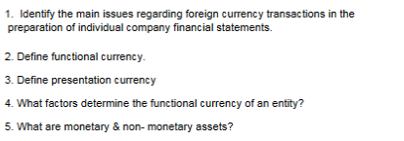
 | Question 1:
 | See Text.

 | Question 2:
 | Currency of the primary economic environment
 | where the entity operates i.e. in most cases
 | this will be the local currency. Plus other points or
 | examples.

 | Question 3:
 | Currency in which the entity presents its financial
 | statements. Can be different from functional (i.e.
 | subsidiary presenting in currency of parent. Plus
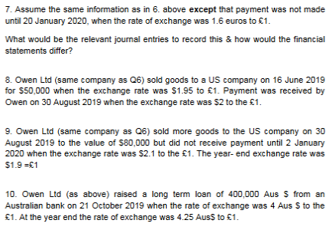
 | other points or examples).

 | Question 4:
 | Factors - See Lecture Slides

 | Question 5:
 | Monetary and non-monetary assets - see lecture
 | slides.

 | Question 6:
 |  |  | Debit | Credit
 | 19/10/2019 Recognition |  |  |  | SFP Extract

 | 60,000/1.5 | Non-Current Asset (Machine) | 40,000 |  | Non-Current Assets
 |  | Payables |  | 40,000 | Machine at cost | 40,000
 |  |  |  |  | Accumulated Depr. | -4,000
 | 28/12/2019 Settlement |  |  |  |  | 36,000

Complete Later |  | Payables | 40,000 |  | SPL Extract
 | 60,000/1.75 | Bank |  | 34,286 | Depreciation Expense | 4,000
 |  | Exchange Gain |  | 5,714 | Exchange Gain | 5,714
 |  |  |  |  |  | 9,714

Week 5 - Earnings per Share
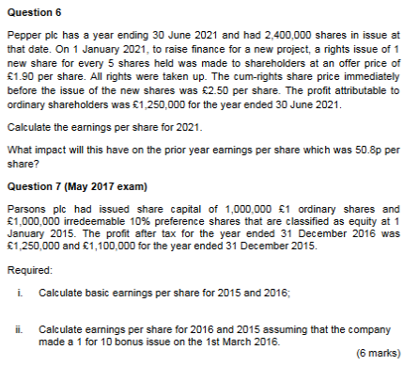
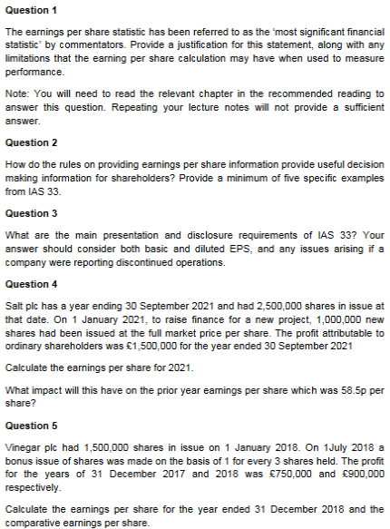

Complete Later.

Week 6 - Group Accounts
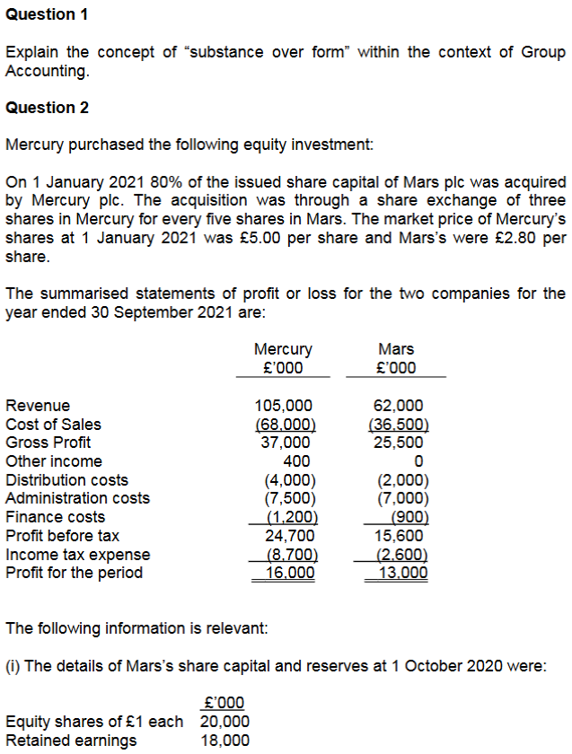
Question 1:

Reflecting the economic substance over a transaction or
event, rather than the legal form is necessary for financial
statements to meet the requirement of 'faithful representation'.

A group consists of a parent and one or more subsidiaries
which are under the control of the parent.

Parent companies are required to prepare and present accounts
for the group as a whole, reflecting the group as one single
economic entity.

The parent and its subsidiaries are all individual legal entities.

The group as a single economic entity reflects the economic
substance of the group as a whole.

Question 2:

Structure:

Mercury -> Mars [ 80% ]

Accounting Period | 2020-10-01 | -> | -> | -> | 2021-09-30
 |  |  | 2021-01-01
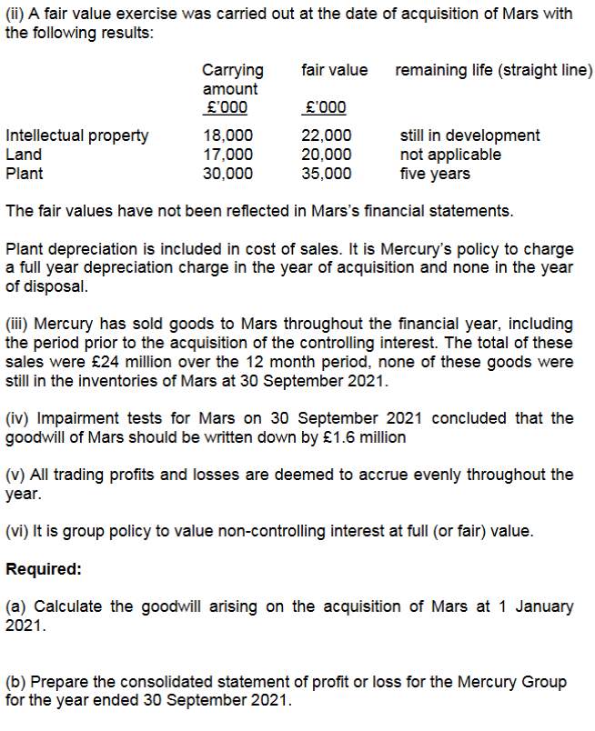
Acquisition | Ret'd earnings | Pre'Acqn | Post'Acqn
 | 18,000 | 3,250 | 9,750

Shares Acquired = (£20m / £1) * 80% = 16m shares

Consideration Paid = 16m/5 * 3 * £5 = £48m

Goodwill:
 |  |  | Group |  | NCI
 |  |  | £'000 |  | £'000
Fair Value of Interest |  |  | 48,000
Non-Controlling Interest at Acq. (20m * 20% * £2.80) |  |  |  |  | 11,200

Week 6 - Consolidated SPL
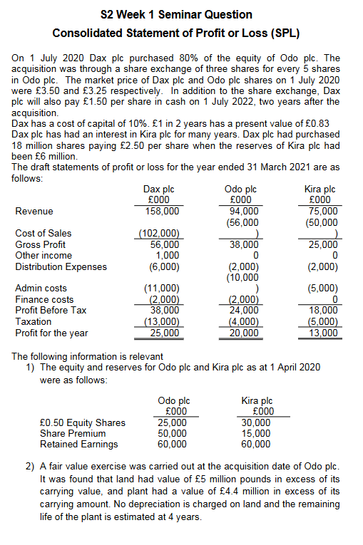
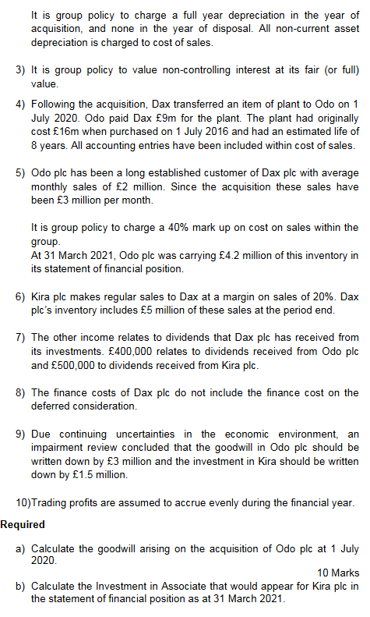
 |  |  |  | Part A: Structure
 |  |  |  | Dax purchased 80% of equity of Odo plc.
 |  |  |  | Acquisition of 3 shares for every 5 shares.

 |  |  |  | 80% of 25,000*0.50 Equity Shares = 40m Shares (Odo) |  |  |  | - (Acquisiton Amount / Share Price) *
 |  |  |  |  |  |  |  | Acquisition Percentage
 |  |  |  | Share Consideration: 40m Shares / 5 * 3 * £3.5 |  |  |  | - (Shares Issued / Nominal Value per Share) *
 |  |  |  | = £84m |  |  |  | Bonus Shares * Share Price

 |  |  |  | Deferred Consideration: 40m shares * £1.5 * 0.83 |  |  |  | - (Shares Issued * Deferred Value per Share) *
 |  |  |  | = £49.8m |  |  |  | Discount Factor

 |  |  |  | Total Consideration: £84m + £49.8m |  |  |  | - Add Deferred and Shared Consid. Values
 |  |  |  | =£133.8m

 |  |  |  | Goodwill - Odo |  |  | 0.8 | 0.2
 |  |  |  | Full Value Method |  |  | Group | NCI
 |  |  |  |  |  |  | £'000 | £'000
 |  |  |  | Fair Value of Investment |  |  | 133,800
 |  |  |  | NCI at Acquisition
 |  |  |  | (25m/0.50)*20% = 10m shares @ 3.25 |  |  |  | 32,500

 |  |  |  | Less Fair Value of Identifiable Net Assets Acquired
 |  |  |  | Share Capital |  | 25,000
 |  |  |  | Share Premium |  | 50,000
 |  |  |  | B/E - Pre Acquisition
 |  |  |  | as at 1/4/20 | 60,000
 |  |  |  | 1/4/20 to 1/July 20
 |  |  |  | 20,000 * 3/12 Months | 5,000
 |  |  |  |  |  | 65,000
 |  |  |  | Fair Value Adjustments
Part B: Investment in Associate |  |  |  | Land |  | 5,000
 |  | £'000 |  | Plant |  | 4,400
Cost of Investment |  |  |  |  |  | 149,400
18m Shares x £2.5 |  | 45,000 |  |  |  |  | 80% | 20%
 |  |  | Complete Part C later | Group/NCI Share of Net Assets |  |  | 119,520 | 2,620
Plus share of Post-Acquisition Profits
Reserves at 1/4/20 | 60,000 |  |  | Goodwill |  |  | 14,280 | 2,620
Pre-Acquisition Reserves | (6 ,000)
R/E since Acq. but missing | 54,000 |  |  | Total Goodwill |  |  |  | 16,900
current year earnings | 13,000
R/E since Acquisition | 67,000
Group Share | 30% | 20100

Impairment |  | -1,500
Investment in Associate |  | 63,600

Consolidated SoFP
Learning Objectives:
Consolidated SFP
1. Prepare a consolidated statement of financial position for a
simple group (parent and up to two subsidiaries)
Consolidation
Workings
2. Deal with non-controlling interest (at fair value or
proportinate share of net assets)

Intra-Group Trading
3. Describe and apply the required accounting treatment of
consolidated goodwill
Pre-
Acquisition
Profits
and Group
Reserves
Non-Controlling Interest
Goodwill
Mid-Year Acquisitions
4. Account for impairment of goodwill

5. Explain and account for the consolidation of other reserves
(e.g. share premium and revaluation surplus)

Unrealised Profits
Fair Values
6. Account for the effects of intra-group trading in the statewment
of financial position

7. Explain why it is necessary to use fair values when preparing
consolidated financial statemetns

8. Account for the effects of fair value adjustments.

Week 7 - Leases
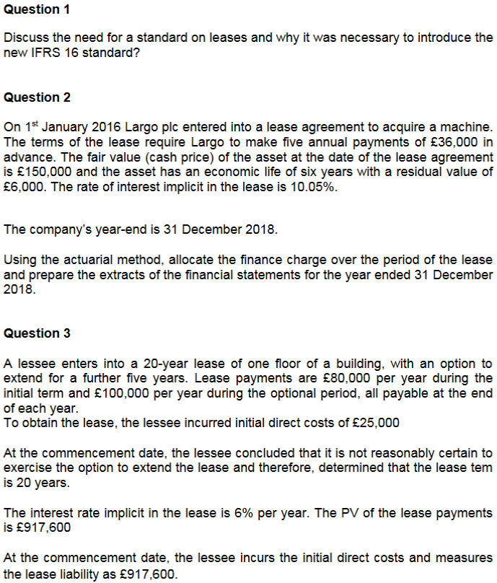
 | Question 1:
 | A lease is an agreement whereby the lessor (seller)
 | conveys to the lessee (user of the asset), the right to
 | use the aset for an agreed period of time in return for
 | a payment or series of payments.

 | Standards on leases were made for a couple of reasons:
 | 1. Inconsistency in the treatment and reporting of
 | leases.

 | 2. Misleads investors by manipulating financial ratios
 | (e.g., ROCE, and Debt-to-Equity ratio)

 | 3. Lack of transparency in reporting leases, businesses
 | only reported finance leases, and not operating leases,
 | which therefore made it difficult for investors.

 | Question 2:

 | Lease payments: £36,000 annually in advance.
 | Fair value of asset: £150,000.
 | Interest rate: 10.05%.
 | Asset life: 6 years, residual value: £6,000.
 | Year-end: 31 December 2018.

 | Year | Opening Liability (£) | Payment (£) | Interest (£) | Closing Liability (£)
 | 2016 | 150,000 | 36,000 | 15,057 | 129,057
 | 2017 | 129,057 | 36,000 | 12,974 | 106,031
 | 2018 | 106,031 | 36,000 | 10,656 | 80,687

 | Statement of Profit or Loss:
 | - Depreciation (Straight-line): 150,000-6,000 / 6 = 24,000
Question 5: | - Finance Cost: £10,656

Lease payment: £20M annually (paid in advance). | Statement of Financial Position:
Purchase price: £80M. | - Net Depreciation: 150,000 - (3*24,000) =78,000
Interest rate: 12%. | - Lease liability (closing balance): £80,687

Year 1 Calculations: | Question 3:

1. Depreciation (straight-line over 5 years): | Lease liability: £917,600.
 | Annual payment: £80,000.
80,000,0005=£16,000,000 | Direct costs: £25,000.
 | Interest rate: 6%.
2. Finance cost:
 | Journal Entries at Commencement (Year 1):
Lease liability post-payment: 80M−20M=60M
Interest: 60M×12%=£7,200,000 | 1. Recognise the right-of-use asset:

Extracts for 31 Mar 2019: SoFP: | Dr Right-of-use asset £942,600
 | Cr Lease liability £917,600
Right-of-use asset: 80M−16M=£64M80M - 16M = £64M80M−16M=£64M. | Cr Cash (direct costs) £25,000
Lease liability: Adjusted for interest.
 | 2. First-year payment:
SoPoL:
 | Dr Lease liability £80,000
Depreciation: £16M. | Cr Cash £80,000
Finance cost: £7.2M.
 | 3. Finance charge allocation (Year 1):
Question 6:
 | Interest: 917,600×6%=£55,056
The temporary accountant is incorrect because IFRS 16 eliminates most off-balance
sheet leasing. The substance over form principle requires the economic reality | Dr Finance costs £55,056
of leases to be reflected. Under IFRS 16: | Cr Lease liability £55,056

Right-of-use assets and lease liabilities must be recognised. | Extracts for 31 Dec Year 1:
Financial obligations are transparent, regardless of lease structure.
 | SoFP:
For the machine lease:
 | Right-of-use asset: 942,600 − Depreciation
Recognise a right-of-use asset and lease liability. | Lease liability: Adjusted with payments and interest.
Depreciate the asset over 5 years and allocate interest charges on the lease liability.
 | SoPoL:

 | Depreciation: Straight-line over 20 years: 942,600/20=£47,130
 | Finance costs: £55,056.

